Hiearchy View
Class: HOLDUP ALARM SYSTEM
an alarm signaling a hold-up or attempted hold-up in progress wherein an alarm system is maintained. | 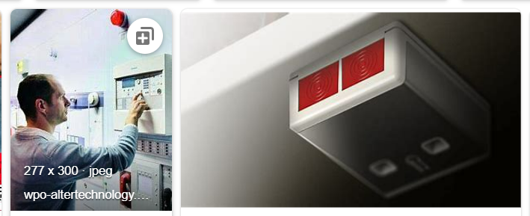
REMOVE | N

PROBLEM_DESC | CAUSE_DESC | REMEDY_DESC
ALARM/SENSOR
BROKEN/DAMAGED
LEAKING
LIGHTING
NOISE
OTHER PROBLEM
OVERHEATING
PESTS
POWER-ELEC
PRESSURE
SMELL
STOPPED/SLOWED/POOR OPS
TEMP-CTRL
VIBRATION
Grand Total

